Git_notes
git config --global user.name "govardhan" | to give user name
git config --global user.email "govardhan71@gmail.com" | to give email id
git process | 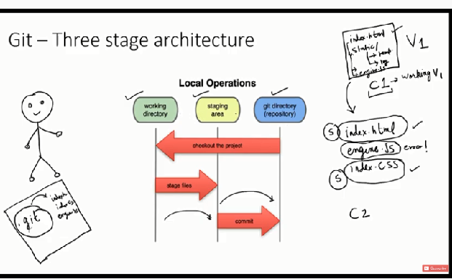 | working director staging git repository staging commit
git status
git init | to create or initiate git repository
git add --a | All files added to staging area
git commit -m "comment" | to commit the files
git log | to know about all commits
git add first.txt | to add file to staging
rm -rf .git | to delete git repository of any folder
git clone https://github.com/tensorflow/tensorflow.git | to get data from git hub internet to folder
pwd | present working directory -path
ls | list of files in folder
cd path | change directory
touch error.log | to create file
touch .gitignore | to ignore the file we need to give file name in .gitignore
touch .gitignore | to igonre .log files we needto give *.log in gitigore file
touch .gitignore | to igore folder we need give \foldername\
git diff | compares working directory and staging
git diff --staged | compares staging and last commit
git commit -a -m "Direct commit" | Directly commiting without staging | only used for tracked files
git rm third.txt | to remove file
git mv filename newfilename | to rename the file
git rm --cached filename | to untrack the file
git log -p | to know about changes in commits
git log -p -2 | it will show 2 commits changes
git log --stat | it will show full details about commit
git log --pretty=oneline | it will show all commits in one line
git log --pretty=short | it will show commit and message in short
git log --pretty=full | it will show commit and message and sho author and commiter
git log --since=2.days | it will show last 2 days commits
git log --since=2.weeks
git log --since=2.months | https://git-scm.com/docs/git-log
git log --since=2.years
git log --pretty=format:"%h -- %an" | it will show commit and author name "%an" is author name | https://git-scm.com/docs/git-log
git commit --amend | to combine two commits
git restore --staged file name | to unstage thefile
git checkout -- file name | to restore the file
git checkout -f | to restore the files with last commit
git remote add origin https://github.com/govardhan71/git_practce.git | to create repository remote
git remote | to know availability of remote
git remote -v | remote links pull and push
 | git hub settings
 | settings
 | ssh and gpg keys
 | new ssh key | https://docs.github.com/en/free-pro-team@latest/github/authenticating-to-github/generating-a-new-ssh-key-and-adding-it-to-the-ssh-agent
 | ssh-keygen -t ed25519 -C "your_email@example.com"
 | ssh-add ~/.ssh/id_ed25519

 | eval $(ssh-agent -s)
 | tail ~/.ssh/id_ed25519.pub | https://docs.github.com/en/free-pro-team@latest/github/authenticating-to-github/adding-a-new-ssh-key-to-your-github-account
 | copy ssh key
 | git push -u origin master

Alias commands | git config --global alias.st status
git checkout -b new branch name | to create new branch

Matplotlib
from matplotlib import pyplot as plt
plt.plot([1,2,3],[4,5,0])
plt.show()
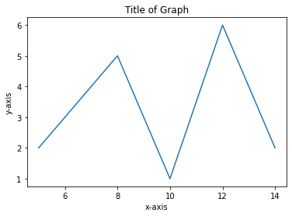 x=[5,8,10,12,14] y=[2,5,1,6,2] plt.plot(x,y) plt.title('Title of Graph') plt.xlabel('x-axis') plt.ylabel('y-axis') plt.show()
from matplotlib import style style.use('ggplot') x=[1,2,3] y=[1,5,2] x1=[2,7,9] y1=[3,6,1] plt.plot(x,y,'g',label='line one',linewidth=5) plt.plot(x1,y1,'r',label='line two',linewidth=6) plt.title('Information') plt.xlabel('x-axis') plt.ylabel('y-axis') plt.legend() plt.grid(True,color='r') plt.show() | 